Sheet1
Employee | Department | Salary
Emp001 | Sales | 42000 | 54650
Emp002 | Sales | 45000 | 51500
Emp003 | Sales | 48000 | #N/A
Emp004 | HR | 40000 | 40000
Emp005 | HR | 43000 | 120000
Emp006 | HR | 46000 | 46750
Emp007 | IT | 55000 | 51500
Emp008 | IT | 58000 | 56250
Emp009 | IT | 62000 | 279397368.4
Emp010 | IT | 65000 | 16715.18377
Emp011 | Finance | 50000
Emp012 | Finance | 53000
Emp013 | Finance | 56000
Emp014 | Marketing | 47000
Emp015 | Marketing | 49000
Emp016 | Marketing | 52000
Emp017 | Operations | 51000
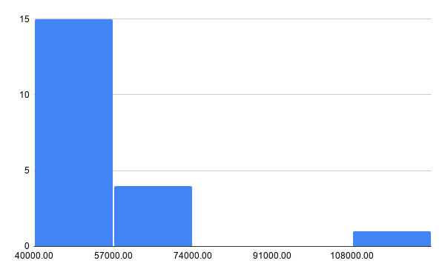
Emp018 | Operations | 54000
Emp019 | Operations | 57000
Emp020 | Executive | 120000

